1
SERVICE SALES TAX INVOICE
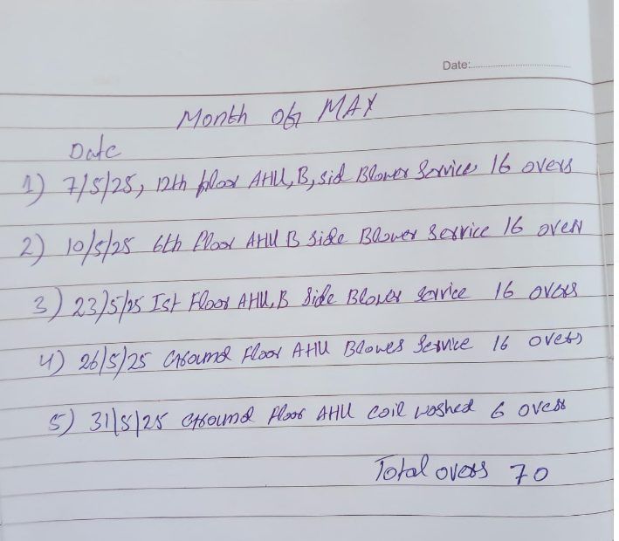

 |  |  | Dated: 30-05-2025
 |  |  | Invoice # 1106

 |  |  | Client
Name | PIONEER SERVICES |  | Name | M/S Hatimi Building Maintenance Co. (Pvt) Ltd
Address | 2-C 1st Floor Sunset Lane I phase II EXT DHA Karachi |  | Address | SR-6/10, Fakhri Trade Centre, Shahra-e-Liaquat, Karachi
Contact | 021 35881523 02135890307 |  | Contact
SNTN # | 4312149-7 |  | SNTN # | 3330266-9

S. # | DESCRIPTION OF SERVICES | Value Excluding Sales Tax | RATE | Sales Tax Payable | Value Including Sales Tax

 | Maintenance / Operation Charges of equipment at Fakhri Trade Centre

1 | for the Month of May 2025 | 282,269 | 15% | 42,340 | 324,609 |  | PRE | 10% inc | new
 |  |  |  |  |  |  | 256,608 | 25,661 | 282,269
 | Overtime for AHU B Side Blower service at 12th Floor Rs 282,269/30/12 = Rs 785 x 16 Hours | 12,560 | 15% | 1,884 | 14,444

 | Overtime for AHU B Side Blower service at 06th Floor Rs 282,269/30/12 = Rs 785 x 16 Hours | 12,560 | 15% | 1,884 | 14,444

 | Overtime for AHU B Side Blower service at 1st Floor Rs 282,269/30/12 = Rs 785 x 16 Hours | 12,560 | 15% | 1,884 | 14,444

 | Overtime for AHU Blower service at Ground Floor Rs 282,269/30/12 = Rs 785 x 16 Hours | 12,560 | 15% | 1,884 | 14,444

 | Overtime for AHU coil washed at Ground Floor Rs 282,269/30/12 = Rs 785 x 16 Hours | 4,710 | 15% | 707 | 5,417

 | Total Amount Rs | 337,219 |  | 50,583 | 387,802

 |  |  |  |  |  | 42,658.20
 |  |  |  |  |  | 345,143.65
 |  |  |  |  |  | 10,116.57
 |  |  |  |  |  | 335,027.08

